Cover Sheet
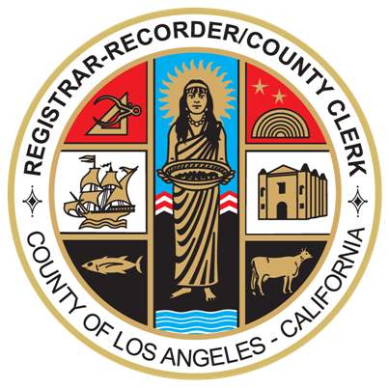

DEPARTMENT OF
REGISTRAR-RECORDER/COUNTY CLERK

REQUEST FOR PROPOSALS –
COST PROPOSAL RESPONSE TEMPLATE

FOR

ELECTION MANAGEMENT SYSTEM
IMPLEMENTATION AND SERVICES

RFP: #21-006

2021-08-16
---------------------------------------------------------------------------------
Prepared By
County of Los Angeles
Registrar-Recorder/County Clerk - Contracts Section Room 7211
12400 Imperial Highway Norwalk, CA 90650
www.lavote.net

